Calendar
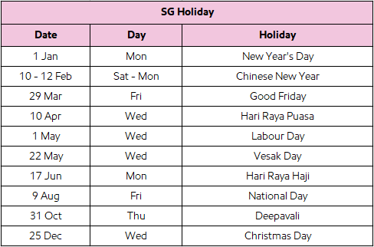
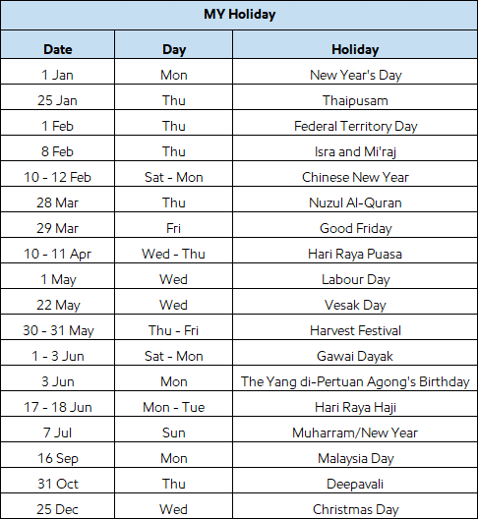
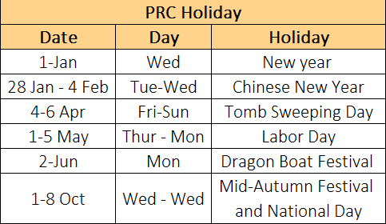
ANNUAL CALENDAR

Events/Month | January |  |  |  | February |  |  |  | March |  |  |  | April |  |  |  | May |  |  |  | June |  |  |  | July |  |  |  | August |  |  |  | September |  |  |  | October |  |  |  | November |  |  |  | December
 | W1 | W2 | W3 | W4 | W1 | W2 | W3 | W4 | W1 | W2 | W3 | W4 | W1 | W2 | W3 | W4 | W1 | W2 | W3 | W4 | W1 | W2 | W3 | W4 | W1 | W2 | W3 | W4 | W1 | W2 | W3 | W4 | W1 | W2 | W3 | W4 | W1 | W2 | W3 | W4 | W1 | W2 | W3 | W4 | W1 | W2 | W3 | W4
SG Holiday |  |  |  |  |  | CNY |  |  |  |  |  |  |  | HARI RAYA
MY Holiday |  |  |  |  |  | CNY |  |  |  |  |  |  |  | HARI RAYA |  |  |  |  |  | Gawai Dayak |  | Raya Haji
PRC Holiday |  |  |  |  |  | CNY |  |  |  |  |  |  |  |  |  |  | Labor day |  |  |  |  |  |  |  |  |  |  |  |  |  |  |  |  |  |  |  | National day
Uncontrollable but predictable event |  |  |  |  |  |  |  |  |  |  |  |  |  |  |  |  |  |  |  |  | AP Typhoon Season |  |  |  |  |  |  |  |  |  |  |  |  |  |  |  |  |  |  |  | Year-End Sales Push
*Uncontrollable & unpredictable event
Manpower shortage / facility |  |  |  |  |  |  |  |  | *Closely Monitor
Port closure
Depot system issue |  |  |  |  |  |  |  |  |  |  |  |  |  |  |  |  |  |  |  |  | D day plan in advanced
Cyber security
Reworking |  |  |  |  |  |  |  |  |  |  |  |  |  |  |  |  |  |  |  |  | Start from Proactive Monitoring dashboard
 |  |  |  |  |  |  |  |  |  |  |  |  |  |  |  |  |  |  |  |  | what is coming and need to take action in advanced

